Coca-Cola
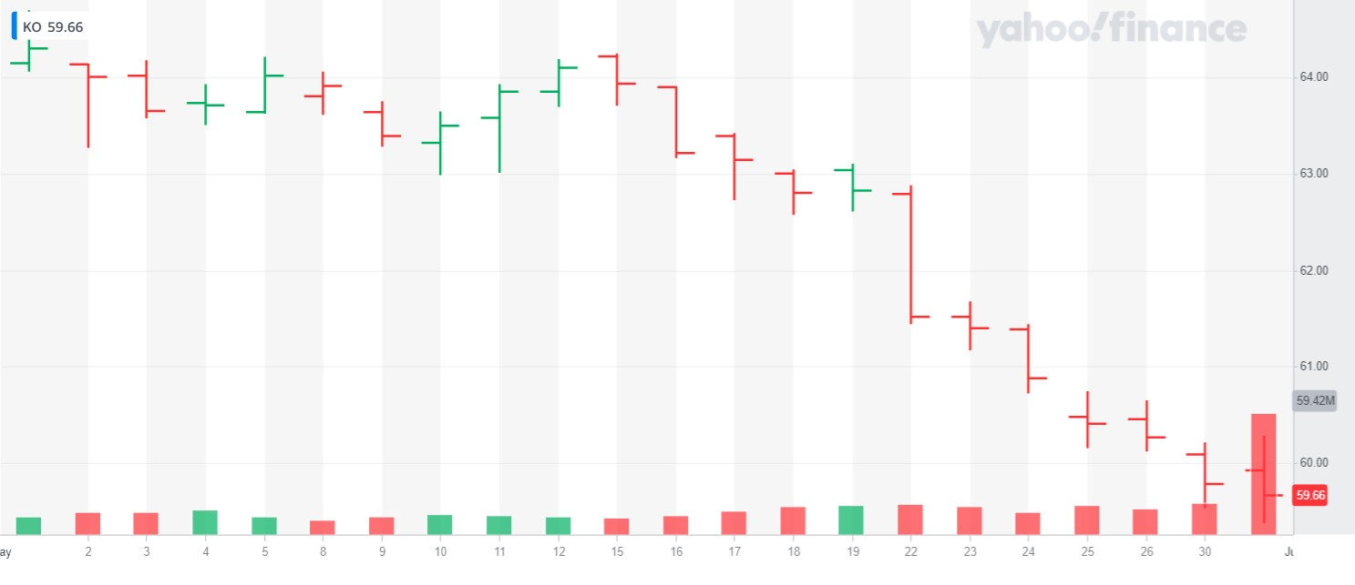
The Coca-Cola Company (NYSE:KO)
Coca-Cola is a multinational corporation founded in 1892 in the USA and is a beverage company that sell its products in more than 200 countries. The firm owns approximately 200 masters’ brands across a variety of beverage type such as sparkling soft drinks, sports drinks, hydration drinks, coffee, and tea. The company is number one on the global share position in the non-alcoholic ready to drink industry and represents 32.7 billion servings per year across all regions.
Sector |  | Consumer staples | Number of employees | 82,500
Industry |  | Non-Alcoholic beverage | Revenue 2022 | $ 43,004
Market capitalization |  | $258.04 Billion | Units sold in 2022 | 32.7 billions
Origin & creation date |  | US, 1892

Founders |  | John Stith Pemberton, Asa Griggs Candler | Key members | James Quincey (CEO), John Murphy (CFO),

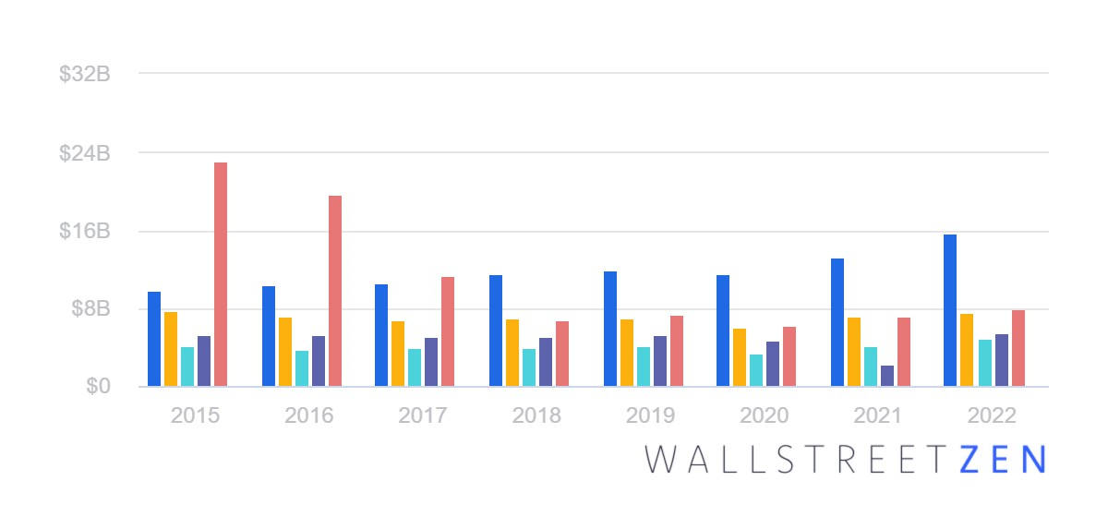
 | Coca-Cola Revenue by Segment
 |  |  |  |  | Stock Changes for May 2023

WACC
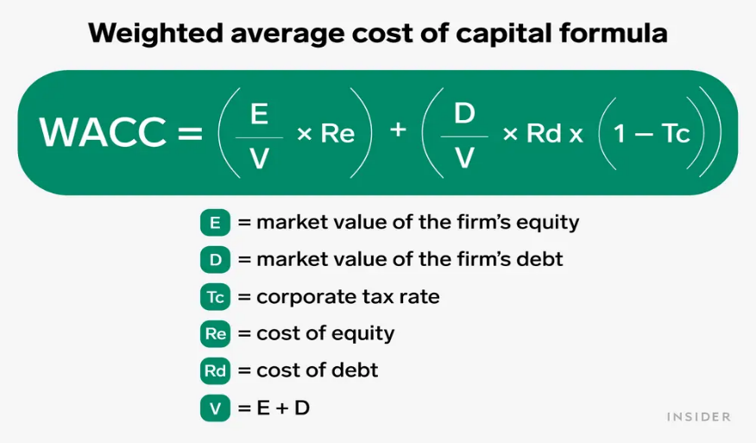
Cost of debt | [Interest expense*(1- tax rate)]/ total debt
Interest expense | 882,000,000
Total debt | 66,937,000,000
Tax rate (averaged) | 18%
Cost of debt | 1.080%

Cost of equity | Risk free rate + B * Market premium
Expected return | 10.50%
Risk free rate | 3.8570%
Market premium | 6.65%
Beta | 43.29%
Cost of equity | 6.734%

Market value of equity | Outstanding shares * Closing Price
Outsanding shares (in million) | 4,328
Closing price May 10th 2023 | 63.5
Market value of equity | 27,482,800,000.00

Market value of debt | Total debt * bond yield
sum notes value | 2,900
price | 82.8
Market value of debt | 2,401,200,000.00

WACC | 6.264%

